Comments
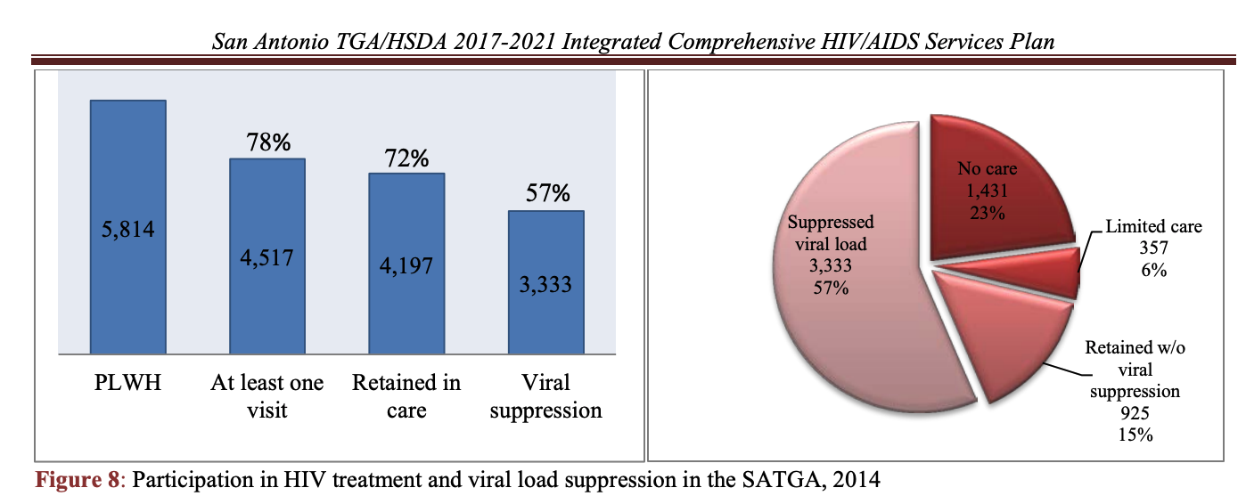
Specific EHE priority counties:

Bexar county (2,003,554)

Other counties in MSA:
Bexar largest by far of 8 counties
MSA total: 2,550,960

Bexar/San Antonio:
https://www.sanantonio.gov/Portals/0/Files/health/News/Reports/STDs/STDs2018.pdf

http://www.fast-trackcities.org/cities/san-antonio-bexar-county

https://www.sanantonio.gov/Portals/0/Files/health/News/Reports/Fast-TrackCitiesSAReporttoCommunity.pdf
http://www.fast-trackcities.org/sites/default/files/San%20Antonio%20Transitional%20Grant%20Area%20Integrated%20HIV%20Prevention%20and%20Care%20Plan%202017-2021.pdf

Texas:
https://txhivsyndicateorg.files.wordpress.com/2017/08/2017-2021-texas-hiv-plan.pdf

Texas suppression in 2014 = 57%; San Antonio TGA comparable (below)

